ACEs
The percent of adults living in the IHN-CCO region reporting 4 or more ACEs by educational attainment, Oregon Public Health Assessment Tool, 2014-2017
ACEs Adults, Source OPHAT 2014-2017

The percent of adults who report 4 or more ACEs, 2014-2017

 | Total | Female | Male
Benton | 18.90% | 19.4% | 18.3%
Lincoln | 28.90% | 30.7% | 24.3%
Linn | 20.90% | 21.3% | 20.3%

The percent of adults living in the IHN-CCO region reporting 4 or more ACEs by socioeconomic characteristics

 | Yes | No
Poverty | 26.7% | 21.2%
*Diasbility | 34.6% | 12.8%
Enrolled in OHP/Medicaid | 24.0% | 19.0%
Overweight/Obese | 23.2% | 18.7%
The percent of adults living in the IHN-CCO region reporting 4 or more ACEs by socioeconomic characteristics, Oregon Public Health Assessment Tool, 2014-2017
Cigarette Smoking | 35.5% | 17.1%
*Disability = Poor physical or mental health limits daily activities and/or health problems require use of special equipment

The percent of adults living in the IHN-CCO region reporting 4 or more ACEs by educational attainment

 | Reports 4 or more ACEs | Does not report 4 or more ACEs
High School Graduate or Less | 22.4% | 77.6%
Some College | 20.4% | 79.6%
Bachelors Degree or Higher | 14.5% | 85.5%
The percent of adults who report 4 or more ACEs, Oregon Public Health Assessment Tool, 2014-2017

K-12 data
3rd/ 8th Grade Language Arts Proficiency

All Students | Benton County |  | Lincoln County |  | Linn County |  | Oregon
 | 3rd Grade | 8th Grade | 3rd Grade | 8th Grade | 3rd Grade | 8th Grade | 3rd Grade | 8th Grade
Total Number of Participants | 616 | 644 | 329 | 333 | 1432 | 1661 | 42299 | 41762
Number Proficient | 329 | 396 | 118 | 137 | 599 | 792 | 19509 | 22108
Number Not Proficient | 278 | 247 | 20800% | 194 | 832 | 868 | 22486 | 19476
Percent Proficient | 53.4% | 61.5% | 35.9% | 41.1% | 41.8% | 47.7% | 46.1% | 52.9%
Percent not Proficient | 45.1% | 38.4% | 63.2% | 58.3% | 58.1% | 52.3% | 53.2% | 46.6%
Percent of 3rd graders proficient in Language Arts by County, Oregon Department of Education, 2018-2019
Percent of 8th graders proficient in Language Arts by County, Oregon Department of Education, 2018-2019
Schools Not Included due to Limited Data:
Benton County = Alsea Charter Schoolm and Blodgett Elementary School
Lincoln County = Eddyville Charter School and Siletz Valley
Linn County = Lourdes School and Oregon Virtual Education

3rd Grade | Benton County | Lincoln County | Linn County | Oregon
Percent Proficient | 53.4% | 35.9% | 41.8% | 46.1%
Percent not Proficient | 45.1% | 63.2% | 58.1% | 53.2%

8th Grade | Benton County | Lincoln County | Linn County | Oregon
Percent Proficient | 61.5% | 41.1% | 47.7% | 52.9%
Percent not Proficient | 38.4% | 58.3% | 52.3% | 46.6%

The percent of 3rd graders who are economicaly disadvantaged who are proficient in Language Arts, Oregon Department of Education, 2018-2018
Data Source: ODE
https://www.oregon.gov/ode/educator-resources/assessment/Pages/Assessment-Group-Reports.aspx

Eco disadvantaged | Benton County |  | Lincoln County |  | Linn County |  | Oregon
 | 3rd Grade | 8th Grade | 3rd Grade | 8th Grade | 3rd Grade | 8th Grade | 3rd Grade | 8th Grade
Total Number of Participants | 195 | 153 | 329 | 200 | 1012 | 525 | 25161 | 21839
Number Proficient | 58 | 59 | 118 | 60 | 357 | 297 | 8363 | 8740
Number Not Proficient | 133 | 94 | 208 | 139 | 654 | 504 | 16561 | 12959
Percent Proficient | 29.7% | 38.6% | 35.9% | 30.0% | 35.3% | 56.6% | 33.2% | 40.0%
Percent not Proficient | 68.2% | 61.4% | 63.2% | 69.5% | 64.6% | 96.0% | 65.8% | 59.3%

 |  |  |  | Benton County | Lincoln County | Linn County | Oregon
 |  |  | Economicly Disadvantaged | 29.7% | 35.9% | 35.3% | 33.2%
 |  |  | Total Students | 53.4% | 35.9% | 41.8% | 46.1%

The percent of 8th graders who are economicaly disadvantaged who are proficient in Language Arts, Oregon Department of Education, 2018-2018
 |  |  |  | Benton County | Lincoln County | Linn County | Oregon
 |  |  | Economicly Disadvantaged | 61.5% | 41.1% | 47.7% | 52.9%
 |  |  | Total Students | 38.6% | 30.0% | 56.6% | 40.0%
Schools Not Included due to Limited Data:
Benton County: Inavale Community Partners dba Muddy Creek Charter School, Jefferson Elementary School, Blodgett Elementary School, and Kings Valley Charter School
Lincoln County:
Linn County: Oak Grove Elementary School and Lourdes School, and Lacomb School

High School Graduation Rate

All Students
 | Benton County | Lincoln County | Linn County | Oregon |  | Benton County | Lincoln County | Linn County | Oregon
Cohort | 777 | 441 | 2113 | 46283 | All Students | 86.4% | 57.8% | 71.9% | 80.6%
Number who Graduated | 671 | 255 | 1520 | 37320 | White Students | 85.5% | 56.3% | 72.0% | 82.1%
Cohort Graduation Rate | 86.4% | 57.8% | 71.9% | 80.6% | Hispanic or Latinx Students | 88.2% | 64.4% | 68.4% | 77.0%
Race and Ethnicity
The percent of students who were 9th graders in 2016-2017 school year who graduated in 2020-2021 school year, Oregon Department of Education, 2020-2021
American Indian/Alaska Native
 | Benton County | Lincoln County | Linn County | Oregon
Cohort | * | 20 | 18 | 597
Number who Graduated | * | 10 | 12 | 400
Cohort Graduation Rate | * | 50.0% | 66.7% | 67.0%
Asian
 | Benton County | Lincoln County | Linn County | Oregon
Cohort | * | * | 31 | 1909
Number who Graduated | * | * | 29 | 1754
Cohort Graduation Rate | * | * | 93.5% | 91.9%
Black/African American
 | Benton County | Lincoln County | Linn County | Oregon
Cohort | * | * | 27 | 1101
Number who Graduated | * | * | 18 | 809
Cohort Graduation Rate | * | * | 66.7% | 73.5%
Hispanic/Latino
 | Benton County | Lincoln County | Linn County | Oregon |  | Benton County | Lincoln County | Linn County | Oregon
Cohort | 102 | 101 | 301 | 10813 | All Students | 86.4% | 57.8% | 71.9% | 80.6%
Number who Graduated | 90 | 65 | 206 | 8330 | Economically Disadvantaged | 75.4% | 58.2% | 67.8% | 77.0%
Cohort Graduation Rate | 88.2% | 64.4% | 68.4% | 77.0% | White Students | 85.5% | 56.3% | 72.0% | 82.1%
Native Hawaiian/Pacific Islander |  |  |  |  | Hispanic or Latinx Students | 88.2% | 64.4% | 68.4% | 77.0%
 | Benton County | Lincoln County | Linn County | Oregon
Cohort | * | * | * | 351
Number who Graduated | * | * | * | 245
The percent of economically disadvantaged students who were 9th graders in 2016-2017 school year who graduated in 2020-2021 school year, Oregon Department of Education, 2020-2021
Cohort Graduation Rate | * | * | * | 69.8%
Multi-Racial
 | Benton County | Lincoln County | Linn County | Oregon
Cohort | 64 | 42 | 151 | 2967
Number who Graduated | 55 | 22 | 111 | 2353
Cohort Graduation Rate | 85.9% | 52.4% | 73.5% | 79.3%
White
 | Benton County | Lincoln County | Linn County | Oregon
Cohort | 567 | 272 | 1575 | 28544
Number who Graduated | 485 | 153 | 1134 | 23429
Cohort Graduation Rate | 85.5% | 56.3% | 72.0% | 82.1%
Economically Disadvantage
 | Benton County | Lincoln County | Linn County | Oregon
The percent of students who were 9th graders in 2016-2017 school year who graduated in 2020-2021 school year by sex, Oregon Department of Education, 2020-2021
Cohort | 281 | 438 | 1196 | 30053
Number who Graduated | 212 | 255 | 811 | 23139 |  | Benton County | Lincoln County | Linn County | Oregon
Cohort Graduation Rate | 75.4% | 58.2% | 67.8% | 77.0% | All Students | 86.4% | 57.8% | 71.9% | 80.6%
Sex |  |  |  |  | Female | 87.4% | 62.5% | 75.7% | 83.5%
Female |  |  |  |  | Male | 85.9% | 53.4% | 68.4% | 78.1%
 | Benton County | Lincoln County | Linn County | Oregon
Cohort | 372 | 216 | 1077 | 22284
Number who Graduated | 325 | 135 | 815 | 18604
Cohort Graduation Rate | 87.4% | 62.5% | 75.7% | 83.5%
Male
 | Benton County | Lincoln County | Linn County | Oregon
Cohort | 398 | 221 | 1028 | 23859
Number who Graduated | 342 | 118 | 703 | 18624
Cohort Graduation Rate | 85.9% | 53.4% | 68.4% | 78.1%

Domestic Violence
The rate per 100,000 population of reported domestic violence victims in 2020 and 2021, Uniform Crime Report
The rate of domestic violence victims per 100,000 population in 2020 and 2021
 | 2020 | 2021 | 2020 Rate per 100,00 | 2021 Rate per 100,000
Benton | 125 | 133 | 132.5 | 140.5
Lincoln | 47 | 52 | 97.4 | 107.6
Linn | 214 | 220 | 169.1 | 172.8
Oregon | 6059 | 4461 | 143.0 | 104.5

Percent of Domestic Violence Victims from 2020-2021 by Sex
 | Female % | Male % | Unknown Sex %
Benton | 49.6% | 34.5% | 15.9%
Lincoln | 62.0% | 36.0% | 2.0%
Linn | 65.7% | 24.0% | 10.4%
Oregon | 57.5% | 22.9% | 19.6%

The percent of domestic violence victims from 2020-2021 by age
 | 0-17 | 18-29 | 30-49 | 50-64 | 65+ | Unknown
Benton | 5.4% | 26.9% | 33.3% | 13.6% | 6.8% | 14.0%
Lincoln | 9.1% | 20.2% | 41.4% | 20.2% | 7.1% | 2.0%
The percent of reported domestic violence victims reported by sex from 2020-2021, Uniform Crime Report
Linn | 11.8% | 20.5% | 43.1% | 10.4% | 3.9% | 10.4%
Oregon | 5.5% | 22.5% | 36.6% | 11.7% | 4.0% | 19.7%

The rate of domestic violence victims per 100,000 population from 2020-2021 by race and ethnicity

Race/Ethnicity |  | LBL Region | Oregon
White |  | 283.8 | 224.4
American Indian/Alaska Native |  | 215.9 | 141.3
Hispanic or Latinx |  | 131.0 | 107.0
Black |  | 942.1 | 209.3
Asian and Native Hawaiian |  | 77.3 | 30.9

The percent of domestic violence victims from 2020-2021 by race and ethnicity

The percent of reported domestic violence victims reported by sex from 2020-2021, Uniform Crime Report
Race/Ethnicity | LBL Region | Oregon
White | 88.9% | 83.9%
American Indian/Alaska Native | 1.1% | 1.0%
Hispanic or Latinx | 4.8% | 7.4%
Black | 2.0% | 2.0%
Asian | 0.7% | 0.8%
Native Hawaiian | 0.0% | 0.0%
Unknown | 2.4% | 4.8%
Data Notes:
1. Data Source: Uniform Crime Report, Victims Interactive Dashboard
2. The rates of domestic violence victims per 100,000 populaiton were calculated using 2019 and 2020 population estimates from Benton, Lincoln, Linn, and Oregon from OPHAT

3. The rates of domestic violence victims per 100,000 populaiton by race and ethnicity were calculated using race and hispanic ethnicity 2020 estimates from US Census data

The rate per 100,000 population of reported domestic violence victims in 2020 and 2021, Uniform Crime Report

 | 2020 | 2021 | Total |  |  |  | 2019 |  |  | 2020 | 2021
Benton | 125 | 133 | 258 |  |  | Benton | 94360 |  | Benton | 132.5 | 140.5
Lincoln | 47 | 52 | 99 |  |  | Lincoln | 48260 |  | Lincoln | 97.4 | 107.6
Linn | 214 | 220 | 434 |  |  | Linn | 126550 |  | Linn | 169.1 | 172.8
Oregon | 6059 | 4461 | 10520 |  |  | Oregon State | 4236400 |  | Oregon | 143.0 | 104.5
 | Female | Male | Unknown |  |  |  | 2020
Benton | 128 | 89 | 41 | 258 |  | Benton | 94665 |  |  | Female | Male | Unknown
Lincoln | 62 | 36 | 2 | 100 |  | Lincoln | 48305 |  | Benton | 49.6% | 34.5% | 15.9%
Linn | 285 | 104 | 45 | 434 |  | Linn | 127320 |  | Lincoln | 62.0% | 36.0% | 2.0%
Oregon | 6044 | 2412 | 2064 | 10520 |  | Oregon State | 4268055 |  | Linn | 65.7% | 24.0% | 10.4%
 |  |  |  |  |  |  |  |  | Oregon | 57.5% | 22.9% | 19.6%
 | Benton | Lincoln | Linn | Region | Oregon
0-17 | 15 | 9 | 51 | 75 | 576 |  |  | LBL Region | Oregon
18-29 | 75 | 20 | 89 | 184 | 2369 |  | 0-17 | 9.2% | 5.5%
30-49 | 93 | 41 | 187 | 321 | 3852 |  | 18-29 | 22.7% | 22.5%
50-64 | 38 | 20 | 45 | 103 | 1232 |  | 30-49 | 39.5% | 36.6%
65+ | 19 | 7 | 17 | 43 | 416 |  | 50-64 | 12.7% | 11.7%
Unknown | 39 | 2 | 45 | 86 | 2075 |  | 65+ | 5.3% | 4.0%
 | 279 | 99 | 434 | 812 | 10520 |  | Unknown | 10.6% | 19.7%
 | Benton | Lincoln | Linn | Region | Oregon
White | 184 | 84 | 358 | 626 | 7111 |  |  | Benton | Lincoln | Linn | Oregon
American Indian/Alaska Native |  | 6 | 2 | 8 | 89 |  | 0-17 | 5.4% | 9.1% | 11.8% | 5.5%
Hispanic or Latinx | 15 | 5 | 14 | 34 | 630 |  | 18-29 | 26.9% | 20.2% | 20.5% | 22.5%
Black | 6 | 0 | 8 | 14 | 173 |  | 30-49 | 33.3% | 41.4% | 43.1% | 36.6%
Asian | 3 | 0 | 0 | 5 | 66 |  | 50-64 | 13.6% | 20.2% | 10.4% | 11.7%
Native Hawaiian | 2 | 0 | 0 |  |  |  | 65+ | 6.8% | 7.1% | 3.9% | 4.0%
Unknown | 7 | 3 | 7 | 17 | 410 |  | Unknown | 14.0% | 2.0% | 10.4% | 19.7%
 |  |  |  | 704 | 8479
 | LBL Region | Oregon |  |  |  | LBL Region | Oregon
White | 88.9% | 83.9% |  |  | White | 283.8 | 224.4
American Indian/Alaska Native | 1.1% | 1.0% |  |  | American Indian/Alaska Native | 215.9 | 141.3
Hispanic or Latinx | 4.8% | 7.4% |  |  | Hispanic or Latinx | 131.0 | 107.0
Black | 2.0% | 2.0% |  |  | Black | 942.1 | 209.3
Asian | 0.7% | 0.8% |  |  | Asian and Native Hawaiian | 77.3 | 30.9
Native Hawaiian | 0.0% | 0.0%
Unknown | 2.4% | 4.8%
 | Benton | Lincoln | Linn
White alone | 74506 | 40393 | 105669 | 220568 | 3169096
Black or African American alone | 759 | 193 | 534 | 1486 | 82655
American Indian and Alaska Native alone | 627 | 1590 | 1488 | 3705 | 62993
Asian alone | 4429 | 492 | 1111 | 6032 | 194538 |  | 6466 | 213742
Native Hawaiian and Other Pacific Islander alone | 213 | 59 | 162 | 434 | 19204
Hispanic or Latino | 8524 | 4851 | 12571 | 25946 | 588757

Oregon Healthy Teen Data
Positive Youth Development score

Meets the Positive Youth Development Benchmark
 | 2015 |  | 2019
 | 8th | 11th | 8th | 11th
Benton | 71.2% | 67.3% | 88.8% | 80.8%
Lincoln | 50.8% | 62.6% | 52.9% | 56.1%
Linn | 56.7% | 60.2% | 56.7% | 60.1%
Oregon | 59.1% | 61.9% | 53.8% | 56.9%

 | 8th grade |  |  |  | 11th grade
 | Benton | Lincoln | Linn | Oregon | Benton | Lincoln | Linn | Oregon
Physical health is excellent, very good, or good | 88.8% | 86.0% | 81.7% | 85.4% | 80.80% | 83.9% | 85.9% | 83.7%
Emotional/mental health is excellent, very good, or good | 62.9% | 63.1% | 66.3% | 67.6% | 54.60% | 57.4% | 55.3% | 61.3%
"I can do most things if I try." | 91.7% | 86.9% | 87.4% | 86.7% | 91.00% | 89.8% | 90.8% | 90.3%
"At least one teacher/adult in my school really cares about me." | 77.0% | 74.0% | 81.8% | 72.3% | 75.40% | 80.5% | 86.1% | 77.8%
Volunteers to help others in community | 39.4% | 47.0% | 48.0% | 44.0% | 56.30% | 52.9% | 62.4% | 51.6%
"I can work out my problems." | 75.4% | 69.7% | 79.2% | 75.9% | 83.10% | 76.1% | 80.5% | 80.4%

Depression, Suicidal Ideation, and Suicide Attempt
The percent of 8th and 11th graders who report feeling sad or hopeless almost every day for 2+ weeks in a row, Oregon Healthy Teen Survey, 2019
The percent of 8th and 11th graders who report seriously considering attempting suicide, Oregon Healthy Teen Survey, 2019
The percent of 8th and 11th graders who report actually attempted suicide, Oregon Healthy Teen Survey, 2019
Felt sad or hopeless almost every day for 2+ weeks in a row |  |  |  |  |  |  |  | 8th | 11th
 | 2015 |  | 2019 |  |  |  | Benton | 23.7% | 39.3%
 | 8th | 11th | 8th | 11th |  |  | Lincoln | 34.0% | 42.8%
Benton | 26.0% | 23.2% | 23.7% | 39.3% |  |  | Linn | 33.7% | 36.4%
Lincoln | 36.4% | 28.2% | 34.0% | 42.8% |  |  | Oregon | 31.5% | 36.3%
Linn | 29.3% | 30.1% | 33.7% | 36.4%
Oregon | 26.7% | 29.0% | 31.5% | 36.3%
 |  |  |  |  |  |  |  | 8th | 11th
Suicide Seriously considered attempting suicide |  |  |  |  |  |  | Benton | 18.6% | 18.3%
 | 2015 |  | 2019 |  |  |  | Lincoln | 23.3% | 21.2%
 | 8th | 11th | 8th | 11th |  |  | Linn | 18.2% | 19.7%
Benton | 17.6% | 15.6% | 18.6% | 18.3% |  |  | Oregon | 19.9% | 18.6%
Lincoln | 25.2% | 13.9% | 23.3% | 21.2%
Linn | 17.7% | 16.3% | 18.2% | 19.7%
Oregon | 16.2% | 16.3% | 19.9% | 18.6%
 |  |  |  |  |  |  |  | 8th | 11th
Actually attempted suicide |  |  |  |  |  |  | Benton | 8.3% | 5.0%
 | 2015 |  | 2019 |  |  |  | Lincoln | 13.7% | 7.1%
 | 8th | 11th | 8th | 11th |  |  | Linn | 7.2% | 9.9%
Benton | 7.4% | 4.9% | 8.3% | 5.0% |  |  | Oregon | 10.0% | 7.4%
Lincoln | 14.6% | 4.8% | 13.7% | 7.1%
Linn | 8.5% | 5.0% | 7.2% | 9.9%
Oregon | 8.2% | 6.2% | 10.0% | 7.4%
Red = Increase from 2015 to 2020

Bullying

Has experienced any type of bullying on the way to, from, or at school during the past 30 days
 | 2015 |  | 2019
 | 8th | 11th | 8th | 11th
Benton | 25.0% | 15.7% | 26.6% | 19.8%
Lincoln | 36.6% | 17.2% | 36.9% | 19.8%
Linn | 28.7% | 21.0% | 26.9% | 25.4%
Oregon | 29.9% | 19.9% | 30.0% | 19.8%
Red = Increase from 2015 to 2020

During the past 30 days, have you ever been bullied at school (in-person and cyberbullying).
Race or ethnic orgin
 | 2019 |  |  |  | 11th Grade |  |  |  |  |  |  | 8th grade
 | 8th | 11th |  |  |  | Benton | Lincoln | Linn | Oregon |  |  |  | Benton | Lincoln | Linn | Oregon
Benton | 5.10% | 1.50% |  |  | Race or ethnic orgin | 1.5% | 2.7% | 4.6% | 3.8% |  |  | Race or ethnic orgin | 5.1% | 8.1% | 5.7% | 4.9%
Lincoln | 8.1% | 2.7% |  |  | Unwanted sexual comments or attention | 6.5% | 5.7% | 9.2% | 6.1% |  |  | Unwanted sexual comments or attention | 9.2% | 8.5% | 6.5% | 7.2%
Linn | 5.7% | 4.6% |  |  | Perceived LGBT status | 5.1% | 0.8% | 5.8% | 3.2% |  |  | Perceived LGBT status | 5.0% | 5.4% | 7.0% | 6.1%
Oregon | 4.9% | 3.8% |  |  | Weight, clothes, acne, etc | 5.9% | 4.1% | 8.7% | 7.4% |  |  | Weight, clothes, acne, etc | 10.6% | 16.5% | 11.4% | 14.0%
Unwanted sexual comments or attention |  |  |  |  | About group of friends | 4.3% | 3.3% | 4.0% | 3.9% |  |  | About group of friends | 8.0% | 8.6% | 6.3% | 7.5%
 | 2019 |  |  |  | Other | 9.5% | 12.0% | 9.8% | 9.1% |  |  | Other | 11.4% | 17.7% | 13.7% | 15.3%
 | 8th | 11th
The percent of 11th graders who reporting being bullied at school in the last 30-days on the following categories, Oregon Healthy Teen Survey, 2019
The percent of 8th graders who reporting being bullied at school in the last 30-days on the following categories, Oregon Healthy Teen Survey, 2019
Benton | 9.2% | 6.5%
Lincoln | 8.5% | 5.7%
Linn | 6.5% | 9.2%
Oregon | 7.2% | 6.1%
Perceived LGBT status
 | 2019
 | 8th | 11th
Benton | 5.0% | 5.1%
Lincoln | 5.4% | 0.8%
Linn | 7.0% | 5.8%
Oregon | 6.1% | 3.2%
Weight, clothes, acne, etc
 | 2019
 | 8th | 11th
Benton | 10.6% | 5.9%
Lincoln | 16.5% | 4.1%
Linn | 11.4% | 8.7%
Oregon | 14.0% | 7.4%
About group of friends
 | 2019
 | 8th | 11th
Benton | 8.0% | 4.3%
Lincoln | 8.6% | 3.3%
Linn | 6.3% | 4.0%
Oregon | 7.5% | 3.9%
Other
 | 2019
 | 8th | 11th
Benton | 11.4% | 9.5%
Lincoln | 17.7% | 12.0%
Linn | 13.7% | 9.8%
Oregon | 15.3% | 9.1%

Abuse
The percent of 11th graders who report that during their life an adult has intentionally hit or physically hurt them, Oregon Healthy Teen Survey, 2019
The percent of 11th graders who report that during their life an adult had sexual contact with them, Oregon Healthy Teen Survey, 2019
During your life, has any adult ever intentionally hit or physically hurt you?
 | 11th
Benton | 28.5%
Lincoln | 32.5%
Linn | 28.6%
Oregon | 27.0%
*Not included in 8th grade survey
During your life, has any adult ever had sexual contact with you?
 | 11th
Benton | 8.3%
Lincoln | 9.6%
Linn | 9.7%
Oregon | 7.0%
*Not included in 8th grade survey

Mental Health Services

The percent of 8th and 11th graders who report unment emotional and mental health care needs, Oregon Healthy Teen Survey, 2019
During the past 12 months, did you have any emotional or mental health care needs that were not met?
 | 2015 |  | 2019 |  |  |  | 8th | 11th
 | 8th | 11th | 8th | 11th |  | Benton | 18.8% | 29.0%
Benton | 16.0% | 21.6% | 18.8% | 29.0% |  | Lincoln | 20.8% | 25.9%
Lincoln | 19.8% | 15.1% | 20.8% | 25.9% |  | Linn | 19.2% | 21.6%
Linn | 16.2% | 18.5% | 19.2% | 21.6% |  | Oregon | 19.9% | 23.1%
Oregon | 16.6% | 18.5% | 19.9% | 23.1%
Red = Increase from 2015 to 2020

Substance Use

 | 2015 |  |  |  |  |  |  |  | 2019
 | 8th Grade |  |  |  | 11th grade |  |  |  | 8th Grade |  |  |  | 11th grade
 | Benton | Lincoln | Linn | Oregon | Benton | Lincoln | Linn | Oregon | Benton | Lincoln | Linn | Oregon | Benton | Lincoln | Linn | Oregon
Smoke Combustable Cigarettes | 0.8% | 7.5% | 7.9% | 11.9% | 7.2% | 7.30% | 11.20% | 29.10% | 0.5% | 2.8% | 0.4% | 2.6% | 3.9% | 9.0% | 9.8% | 4.9%
Alcohol (at least one drink) | 7.3% | 16.9% | 14.1% | 4.3% | 30.0% | 23.7% | 29.1% | 8.8% | 12.3% | 13.2% | 8.6% | 11.3% | 16.8% | 24.3% | 25.8% | 24.3%
Marijuana | 3.9% | 21.7% | 12.4% | 8.8% | 20.5% | 23.0% | 21.5% | 19.1% | 3.9% | 9.4% | 4.2% | 7.8% | 16.8% | 17.4% | 23.0% | 20.4%
Prescription Drugs | 2.9% | 5.1% | 6.5% | 4.1% | 10.2% | 5.1% | 7.5% | 6.5% | 4.0% | 5.5% | 5.0% | 5.9% | 3.6% | 9.0% | 5.2% | 4.8%
E-Cigarettes | 4.7% | 9.7% | 14.1% | 9.3% | 11.9% | 10.0% | 20.5% | 17.1% | 7.5% | 7.0% | 9.8% | 10.5% | 20.3% | 16.2% | 37.4% | 21.4%
The percent of 8th graders who report smoking combustable cigarettes in the last 30-days in 2015 compared to 2019, Oregon Healthy Teen Survey, 2015-2019
The percent of 11th graders who report smoking combustable cigarettes in the last 30-days in 2015 compared to 2019, Oregon Healthy Teen Survey, 2015-2019
Smoke Combustable Cigarettes
 | 8th |  |  |  | 11th
 | 2015 | 2019 |  |  | 2015 | 2019
Benton | 0.8% | 0.5% |  | Benton | 7.2% | 3.9%
Lincoln | 7.5% | 2.8% |  | Lincoln | 7.3% | 9.0%
Linn | 7.9% | 0.4% |  | Linn | 11.2% | 9.8%
Oregon | 11.9% | 2.6% |  | Oregon | 29.1% | 4.9%

Alcohol
 | 8th |  |  |  | 11th
 | 2015 | 2019 |  |  | 2015 | 2019
Benton | 7.3% | 12.3% |  | Benton | 30.0% | 16.8%
Lincoln | 16.9% | 13.2% |  | Lincoln | 23.7% | 24.3%
The percent of 8th graders who report drinking alcohol in the last 30-days in 2015 compared to 2019, Oregon Healthy Teen Survey, 2015-2019
The percent of 11th graders who report drnking alcohol in the last 30-days in 2015 compared to 2019, Oregon Healthy Teen Survey, 2015-2019
Linn | 14.1% | 8.6% |  | Linn | 29.1% | 25.8%
Oregon | 4.3% | 11.3% |  | Oregon | 8.8% | 24.3%

Marijuana
 | 8th |  |  |  | 11th
 | 2015 | 2019 |  |  | 2015 | 2019
Benton | 3.9% | 3.9% |  | Benton | 20.5% | 16.8%
Lincoln | 21.7% | 9.4% |  | Lincoln | 23.0% | 17.4%
Linn | 12.4% | 4.2% |  | Linn | 21.5% | 23.0%
Oregon | 8.8% | 7.8% |  | Oregon | 19.1% | 20.4%

Prescription Drugs
 | 8th |  |  |  | 11th
 | 2015 | 2019 |  |  | 2015 | 2019
Benton | 2.9% | 4.0% |  | Benton | 10.2% | 3.6%
Lincoln | 5.1% | 5.5% |  | Lincoln | 5.1% | 9.0%
The percent of 8th graders who report smoking marijuana in the last 30-days in 2015 compared to 2019, Oregon Healthy Teen Survey, 2015-2019
The percent of 11th graders who report drinking alcohol in the last 30-days in 2015 compared to 2019, Oregon Healthy Teen Survey, 2015-2019
Linn | 6.5% | 5.0% |  | Linn | 7.5% | 5.2%
Oregon | 4.1% | 5.9% |  | Oregon | 6.5% | 4.8%

E-Cigarettes
 | 8th |  |  |  | 11th
 | 2015 | 2019 |  |  | 2015 | 2019
Benton | 4.7% | 7.5% |  | Benton | 11.9% | 20.3%
Lincoln | 9.7% | 7.0% |  | Lincoln | 10.0% | 16.2%
Linn | 14.1% | 9.8% |  | Linn | 20.5% | 37.4%
Oregon | 9.3% | 10.5% |  | Oregon | 17.1% | 21.4%

 | 8th Grade
 | Benton | Lincoln | Linn | Oregon
Smoke Combustable Cigarettes | 0.5% | 2.8% | 0.4% | 2.6%
Alcohol | 12.3% | 13.2% | 8.6% | 11.3%
Marijuana | 3.9% | 9.4% | 4.2% | 7.8%
The percent of 8th graders who report using prescription drugs in the last 30-days in 2015 compared to 2019, Oregon Healthy Teen Survey, 2015-2019
Prescription Drugs | 4.0% | 5.5% | 5.0% | 5.9%
The percent of 11th graders who report using prescription drugs in the last 30-days in 2015 compared to 2019, Oregon Healthy Teen Survey, 2015-2019
E-Cigarettes | 7.5% | 7.0% | 9.8% | 10.5%

 | 11th Grade
 | Benton | Lincoln | Linn | Oregon
Smoke Combustable Cigarettes | 3.9% | 9.0% | 9.8% | 4.9%
Alcohol | 16.8% | 24.3% | 25.8% | 24.3%
Marijuana | 16.8% | 17.4% | 23.0% | 20.4%
Prescription Drugs | 3.6% | 9.0% | 5.2% | 4.8%
E-Cigarettes | 20.3% | 16.2% | 37.4% | 21.4%

The percent of 8th graders who report using substances in 2019 by location, Oregon Healthy Teen Survey, 2019

The percent of 8th graders who report using e-cigarettes in the last 30-days in 2015 compared to 2019, Oregon Healthy Teen Survey, 2015-2019
The percent of 11th graders who report using e-cigarettes in the last 30-days in 2015 compared to 2019, Oregon Healthy Teen Survey, 2015-2019

The percent of 11th graders who report using substances in 2019 by location, Oregon Healthy Teen Survey, 2019

Migrant Farm Worker
 | Migrant Worker |  | Seasonal Workers |  | Non-Farmworkers in Migrant Households |  | Non-Farmworkers in Migrant Households

The number of reported migrant and seasonal farm workers by county in 2013 and 2018, Migrant and Seasonal Farmworker Enumeration Studies Reports
 | 2013 | 2016 | 2013 | 2016 | 2013 | 2016 | 2013 | 2016
Benton | 616 | 572 | 1,223 | 1,135 | 465 | 508 | 923 | 1,197
Lincoln | 69 | 22 | 137 | 43 | 52 | 19 | 103 | 46
Linn | 569 | 710 | 1,130 | 1,409 | 429 | 630 | 852 | 1,485
Oregon | 27,257 | 28,940 | 59,800 | 57,449 | 20,987 | 25,682 | 46,715 | 60,540
Source: Vital Role of Migrants in the State Economy

 | 2013 | 2019
Benton | 1,840 | 1,707
Lincoln | 206 | 65
Linn | 1,699 | 2,118
 | 2013 | 2019
Benton | 1388 | 3,412
Lincoln | 155 | 131
Linn | 1,281 | 4,233

Total Migrant and Seasonal Farmworkers and Non-Farmworkers in 2013 and 2018 by County, Migrant and Seasonal Farmworker Enumeration Studies Reports

Built Environment
Food Insecurity
The percent of food insecure individuals who are above and below SNAP eligibility
 | Number Food Insecure | Percent Food Insecure |  | Number with Limited Access to Healthy Food |  | Percent with Limited Access to Healthy Food

Benton | 9,690 | 11% |  | 6,055 |  | 7%
Lincoln | 7,050 | 15% |  | 2,979 |  | 6%
Linn | 16,080 | 13% |  | 10,048 |  | 9%
Data Source: County Health Rankings

 | Above SNAP Eligibility | Below SNAP Eligibility
Benton | 26% | 75%
Lincoln | 21% | 80%
Linn | 25% | 75%
Data Source: Feeding America

Air Pollution and Quality
 | Source: Oregon Air Quality Annual 2020 Report
Air Quality for Largest Cities in Region
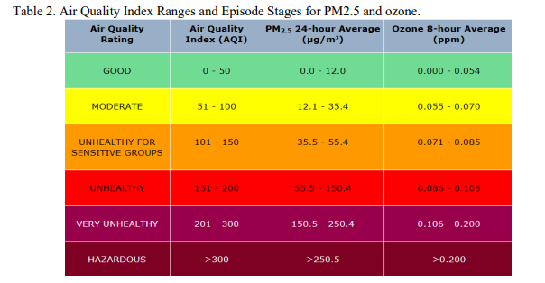

 |  |  |  |  | 2021
 |  |  |  |  | 2020
 |  |  |  |  | 2019
 |  |  |  |  | 2018
 |  |  |  |  | 2017
 |  |  |  |  | 2016

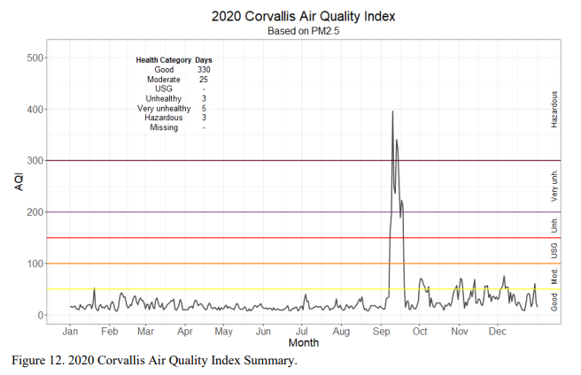
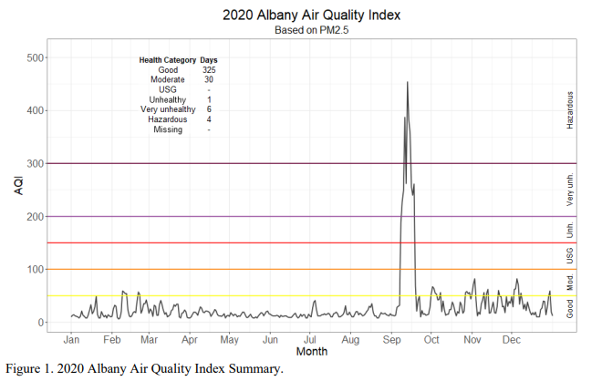

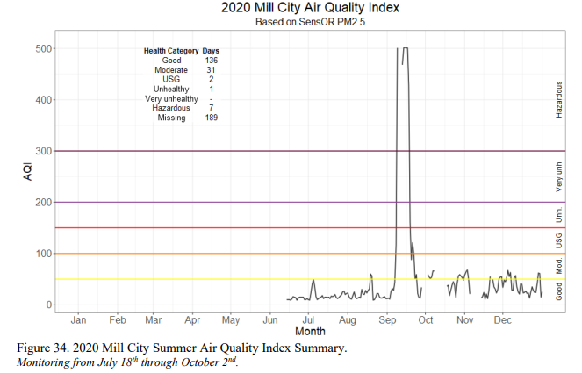
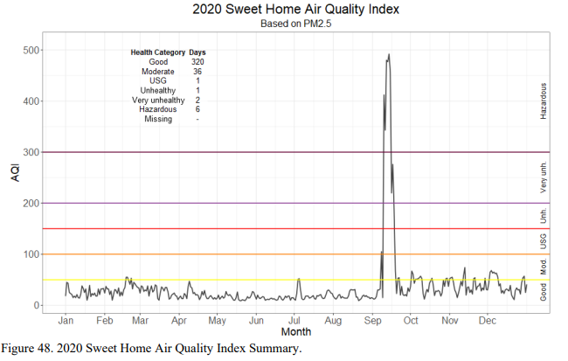

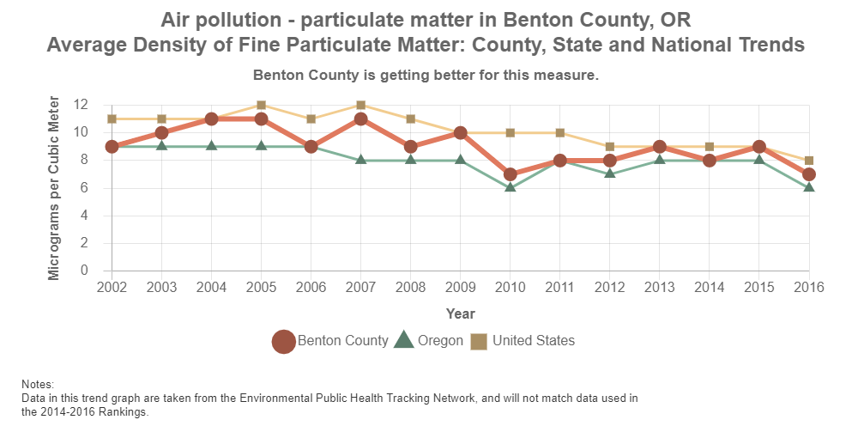

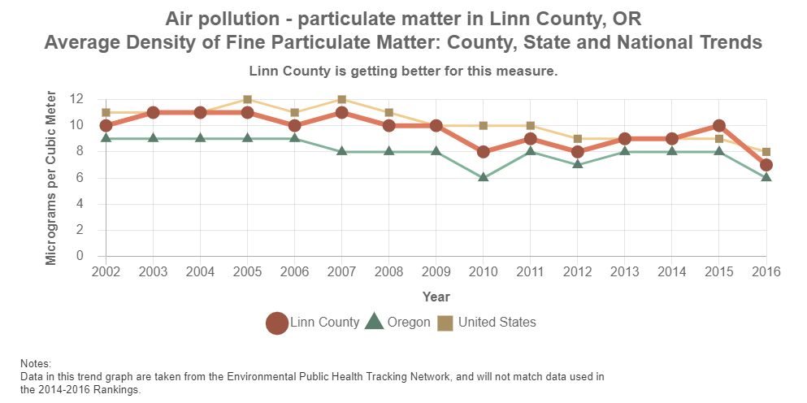

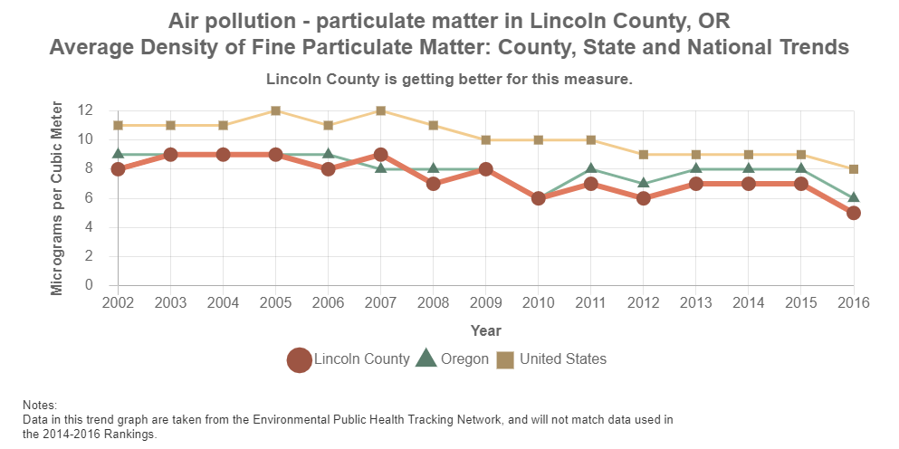

Wild Fire
The number of fires in the Region by County from 2000-2021, Oregon Department of Foresty
 | Beton | Lincoln | Linn
2000 | 10 | 11 | 21
2001 | 21 | 13 | 28
2002 | 25 | 10 | 27
2003 | 27 | 20 | 32
2004 | 15 | 21 | 40
2005 | 9 | 12 | 14
2006 | 16 | 13 | 35
2007 | 11 | 19 | 58
2008 | 1 | 9 | 43
2009 | 7 | 4 | 20
2010 | 6 | 6 | 23
2011 | 5 | 6 | 17
2012 | 4 | 7 | 20
2013 | 9 | 14 | 10
2014 | 7 | 15 | 18
2015 | 10 | 18 | 26
2016 | 11 | 8 | 26
The percent of fires in Oregon from 2018 to 2021, Oregon Department of Forestry
2017 | 10 | 7 | 18
2018 | 7 | 9 | 31
2019 | 9 | 9 | 38
2020 | 3 | 1 | 23
2021 | 9 | 8 | 48
2022 | 8 | 8 | 21
Grand Total | 240 | 248 | 637
Source: Oregon Department of Forestry

Benton | 0.6%
Lincoln | 0.6%
Linn | 3.2%

Extreme Heat

The date of service by month for claims with a primary diagnosis for heat exhaustion

Child abuse
The percent of child abuse reports filed in 2019 and 2020, Child Welfare Data Book, 2019-2020
The percent of reports in 2020 that found evidence of child abuse by location, Child Wellfare Data Book, 2020
The percent of child abuse reports referred for child abuse claims, Child Welfare Data Book 2020
 | Total Reports | Number referred | Number closed at screening | Percent closed at screening
Benton | 1,386 | 675 | 711 | 51.3%
Lincoln | 1,059 | 599 | 460 | 43.4%
Linn | 3,108 | 1,704 | 1,404 | 45.2%

The percent of child abuse reports filed in 2020 that were founded, Child Welfare Data Book, 2020
 | Founded | Unfounded | Unable to Determine
Benton | 16.3% | 74.4% | 8.4%
Lincoln | 20.5% | 60.5% | 11.8%
Linn | 21.1% | 61.0% | 9.7%
Oregon | 20.7% | 63.9% | 10.8%

The percent of child abuse reports filed in 2019 and 2020, Child Welfare Data Book, 2019-2020

 | 2019 | 2020
Benton | 51.6% | 48.4%
Lincoln | 55.4% | 44.6%
The percent of child abuse by type of abuse reported, Child Welfare Data Book, 2020
Linn | 51.8% | 48.2%
Oregon | 53.2% | 46.8%

The percent of child abuse by type of abuse reported, Child Welfare Data Book, 2020
 | Mental Injury | Neglect | Physical Abuse | Sexual Abuse | Threat of Harm
Benton | 1.7% | 43.1% | 10.3% | 6.3% | 38.5%
Lincoln | 1.0% | 43.1% | 5.0% | 7.4% | 43.6%
Linn | 1.5% | 36.2% | 11.5% | 6.4% | 44.4%
Oregon | 2.7% | 71.1% | 16.7% | 9.6% | **
** Data unavailable

The rate of child abuse victims per 1,000 children under 18 from 2018-2020, Child Welfare Data Book, 2020

 | 2018 | 2019 | 2020
Benton | 9.9 | 10.6 | 9.1
Lincoln | 18.0 | 20.2 | 19.8
Linn | 20.4 | 18.6 | 18.5
The rate of child abuse victims from 2018-2020, Child Welfare Data Book, 2020
Oregon | 14.4 | 15.7 | 13.4

Data Source:
2019 Child Welfare Data Book
2020 Child Welfare Data Book

Foster Care
Children who spent at least one day in foster care in 2020
 | Count |  |  |  |  |  | Percentage
 | 0-5 | 6-12 | 13-17 | 18+ | Total |  |  | 0-5 | 6-12 | 13-17 | 18+
Benton | 39 | 27 | 11 | 6 | 83 |  | Benton | 47.0% | 32.5% | 13.3% | 7.2%
Lincoln | 63 | 63 | 27 | 24 | 177 |  | Lincoln | 35.6% | 35.6% | 15.3% | 13.6%
Linn | 115 | 79 | 62 | 30 | 286 |  | Linn | 40.2% | 27.6% | 21.7% | 10.5%
Oregon | 3886 | 3126 | 2039 | 787 | 9838 |  | Oregon | 39.5% | 31.8% | 20.7% | 8.0%
The percent of children experiencing at least one day in foster care in 2019 and 2020 by location, Child Welfare Data Book
The number of new and closed certified foster care homes in 2020 by County, Child Welfare Data Book, 2020
The percent of children who experienced foster care for at least one day
 | Count |  |  |  | Percentage
 | 2019 | 2020 | Total |  |  | 2019 | 2020
Benton | 106 | 83 | 189 |  | Benton | 56.1% | 43.9%
Lincoln | 198 | 177 | 375 |  | Lincoln | 52.8% | 47.2%
Linn | 318 | 286 | 604 |  | Linn | 52.6% | 47.4%
Oregon | 10,887 | 9838 | 20,725 |  | Oregon | 52.5% | 47.5%

Number of foster care homes in 2019 and 2020
 | 2019 | 2020
Benton | 42 | 47
Lincoln | 81 | 59
Linn | 167 | 169

The proporiton of children experiencing at least one day in foster care by age in 2020, Child Welfare Data Book, 2020
Number of new foster care homes in 2020
 | New Foster Homes | Closed Foster Homes
Benton | 0 | 0
The number of certified foster care homes in 2019 and 2020, Child Welfare Data Book, 2019-2020
Lincoln | 23 | 43
Linn | 82 | 66

Median Months in Foster Care
 | 2019 | 2020
Benton | 15.8 | 17.5
Lincoln | 22.3 | 25.5
Linn | 12.9 | 12.7
Oregon | 19.7 | 20.9

